Sheet1
 | Year | Role | Technology | Project | Domain | Key terms
Experience | 2009-2012 | system admin | Windows,Linux,Virtulization Datacenter implementation | Star Bazaar | Retail | Don't hesistate of taking risk
 | 2013-2015 | system admin | Windows,Linux,Vmware,SAP,Mysql,SAP Hybris,AppDynamics,Bussiness,procurement of HW\SW, budget preparation with cost margin , CDN,payment gw,PCIDSS | Croma | Retail | Curious to learn technology
 | 2015 | Vmware Admin | Vmware,Nutanix | BestBuy | Retail | Good bussiness understanding
 | 2016 | Technical Lead | Oracle VM, Linux,Technical assesment,Architecture drawing | Belltel | Telecom | trust is key to deliver
 | 2016 | Technical Lead | New DC with Oracle stack, exadata,exalogic,Oracle ebs and fusion,Oracle RAC | GOSI | Insurance | Focus on solutions
 | 2017 | Technical Lead | Vmware,Windows admin\cluster,EMC VxRail | NCB | Banking | Always take owners
 | 2019 | AI Automation | AI & ML based tool for infrastructure automation,alert and self healing | AltaGAS | Canada | not hesistate to accept my mistke
 | 2020 | Technical Lead | DR,BIA and RA, Technical assesment upgrade and migrate,in depth overview of dnb.no,payments,cards,cutomer center,security tools,network , common services,drawing architecture | DNB | Norway | Honest and transparent
 |  |  |  |  |  | New challenges
Mistakes | cluster upgrade | disk went into read only and realized after 2 days | Always get the system tested with application and functional tester before and after upgrade and collect evidence |  |  | Up's and down's but keep learning to acheive desired goals
 | Application services went down | During VM backup it disconnect from network for mili seconds and due to which site went down intemittently | Don't go for any action unless you asses the time well and plan backup in staggered way to avoid any IO related issues |  |  | Return of investment

Certifications | ITIL
 | HP Unix
 | Vmware
 | Hyper V
 | Nutanix
 | Retail Domain
 | AWS
 | SAP Hybris
 | Windows MSCE
 |  |  | bussiness
Technology | Network architecture | Domain | Contract
 | Storage | Retail | cost+margin=sale price
 | backup | Telecom | ROI
 | OS | Banking | Capex & Opex
 | Arcitecture | Insurance
 | DB
 | Virtualization |  | Solutioning
 |  |  | Customer needs
Role | Oprations : incident , change , problem mgnt , SW lifecycle policies |  | pain areas
 | Audit & compliance |  | budget
 | Migration |  | ROI
 | Upgrades |  | target architecture
 | New deployeent |  | AWS cost calculator

AWS | 3 tier architecture | SDLC\CICD |  | Monitoring tools
 | CDN | Planning | Jira | Dynatrace
 | route 53 | codecommit | Bitbucket,github | Nagios
 | API GW | Codebuild | Jenkins | Newrelic
 | ECS | Codedeploy | Jenkins | Appdynamics
 | Elastic cache | Pipeline | Jenkins | Solarwinds
 | SQS
 | RDS

 | Compute | Storage | Network | DB | Application
 | EC2 | EBS | VPC | RDS mysql,postgress,mariadb,mssql,Oracle | API GW
 | ECS | EFS | NLB | DynamoDB | SQS
 | Fargate | FSX Windos NFS | ALB | Aurora DB posgress Mysql | Athena
 | ASG | Storage GW | SG VM level FW | DMS DB migration services | Lambda
 |  | S3 object storage static web pages version control log & scripts for infra as codes | IGW public to internet | Redshift DB warehouse
 |  |  | Nat GW private sn to internet
 |  |  | NACL subnet level FW
 | Cloud formation | stack | site to site VPN
 |  | resources | Direct connect
 |  | parameters | VPC endpoint connecting S3 & dynamo DB global service within vpc
 |  |  | VPC peering to connect multiple accounts with each other
 |  |  | Cloudfront CDN
 |  |  | Global accelerate
 |  |  | AWS sheild
 |  |  | WAF webapplication FW

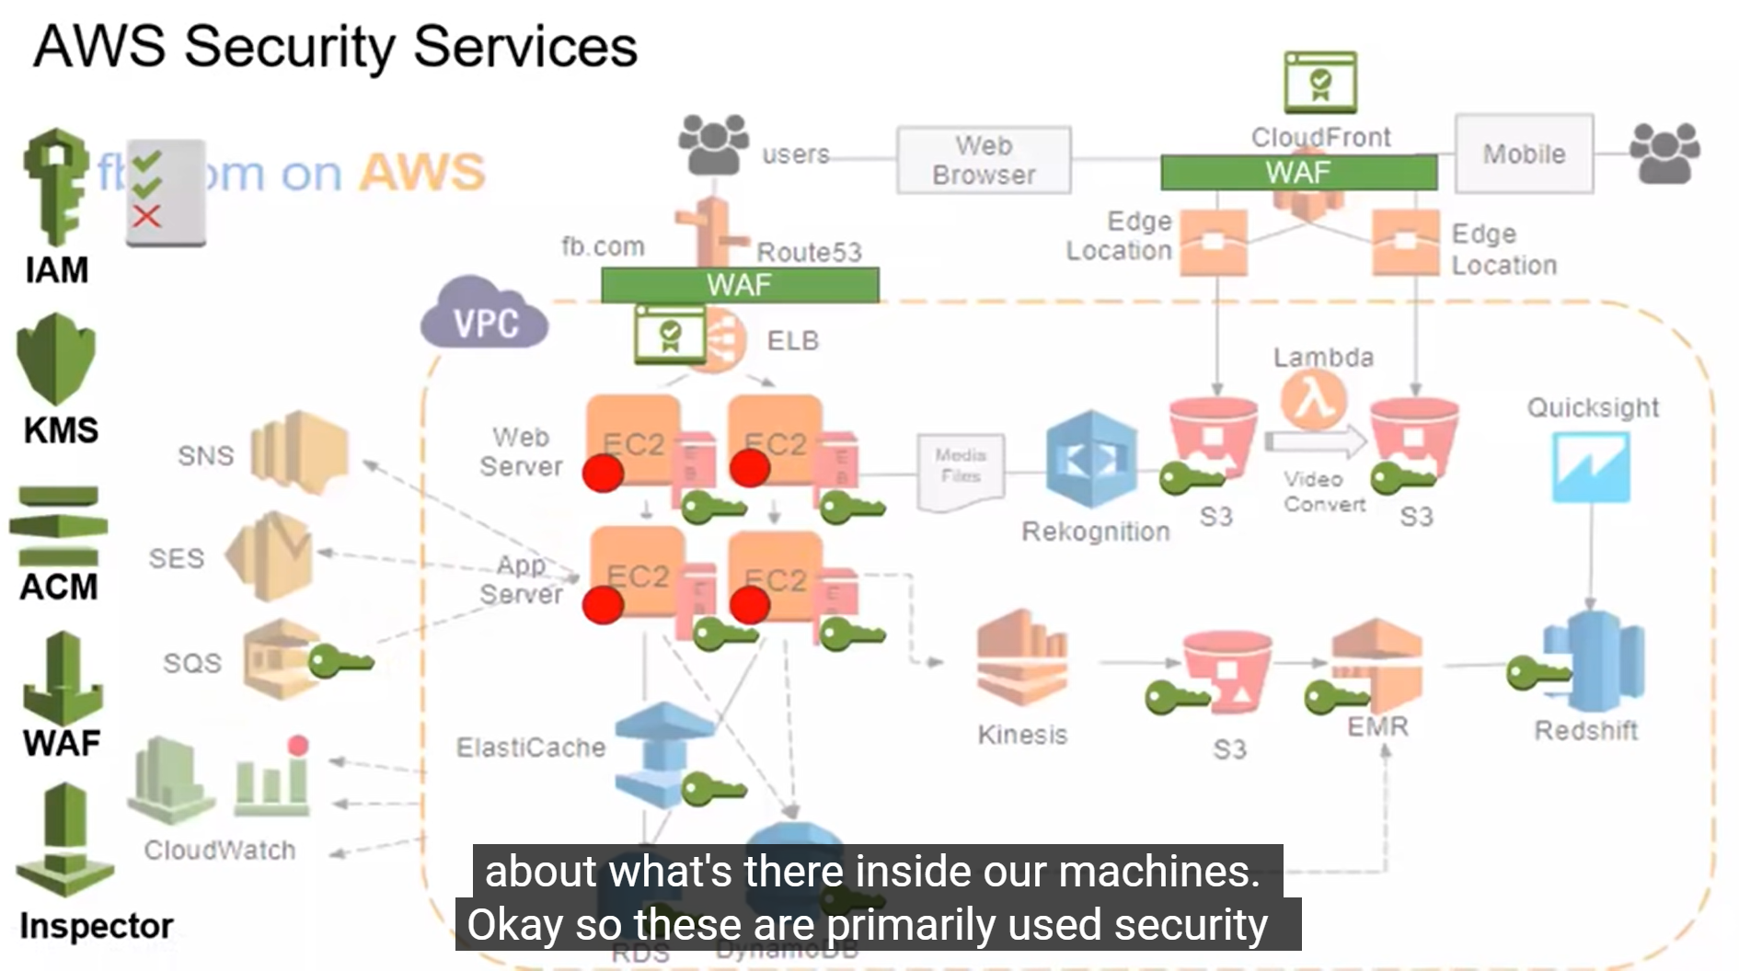

Common services | SSO
 | VPC
 | Route 53
 | CICD
 | AWS oraganisation
 | CloudWatch
 | CloudTrail

